Sheet1
Option Strategy | Delta | Gamma | Vega | Rho | Theta | Max Loss | Max Gain | Graph
Long Call | + | + | + |  |  | Premium | Infinite | 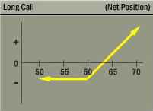

Naked Call | - | - | - |  |  | Infinite | Premium

